Sheet1
The Ohio Department of Education (ODE) created the Gifted Indicator in response to language in the Ohio Revised Code (ORC 3302.02) requiring that, beginning with the report card for the 2014-2015 school year, the performance indicators (i.e., “Indicators Met”) shall include an indicator that reflects the level of services provided to, and the performance of, students identified as gifted under ORC 3324. The indicator shall include the performance of students identified as gifted on state assessments and value-added growth measure disaggregated for students identified as gifted. The full text associated with this section of law is available here: ORC 3302.02.
The Gifted Indicator was reported for the 2012-2013 and 2013-2014 school years upon release of the 2014 report card (data current as of September 4, 2014). On the 2015 report card, the Gifted Indicator is part of the graded measure, Indicators Met, and carries the same weight as all other indicators in the measure. Gifted Input point totals range from 0-100. The threshold for Gifted Input points is 60 points for school year 2015-2016. The threshold for 2016-2017 Gifted Input points is 80 points.

REPORT CARD GIFTED INDICATOR INPUTS
Input Rate #1. Students identified as gifted in at least one academic subject (reading, mathematics, science, social studies) or as having superior cognitive abilities as percentage of total enrollment (based on ADM for K-12 or applicable grades). Note that Ohio has the policy of “once identified, always identified” with respect to gifted identification.
Input Rates #1a, 1b, 1c. For districts, identification rates for academic subject/superior cognitive are calculated separately for three grade bands: a) K-3, b) 4-8, and c) 9-12.
Percentage of Identified Gifted Students
INPUT Rate #1 | 1a) K-3 | 1b) 4-8 | 1c) 9-12
Total ADM | 1389 | 1560 | 987
Number of Students Identified Gifted (Academic/ Superior Cognitive) Counted only once. | 16 | 166 | 116
Gifted Students / Total ADM per Band | 1% | 11% | 12%

>> Input Rates #2a, 2b, 2c. For districts, service rates for students identified as gifted in academic subject/superior cognitive are calculated separately for three grade bands: a) K-3, b) 4-8, and c) 9-12.
• Points are only earned for Input Rate(s) #2 if a district or building has at least 1.0% of students identified as gifted in the corresponding Input Rate(s) #1.
Percentage of Identified Gifted Students Served
INPUT Rate #2 | 2a) K-3 | 2b) 4-8 | 2c) 9-12
Number of Identified Gifted Students | 16 | 166 | 116
Number of Students Identified Gifted Receiving Services (Academic/ Superior Cognitive) Counted only once. | 17 | 58 | 93
Gifted Students / Total Served per Band | 106% | 35% | 80%

Input Rate #3. Students identified as gifted in visual/performing arts or creative thinking as percentage of total enrollment (based on ADM for K-12 or applicable grades).
>> Input Rates #3a, 3b, 3c. For districts, identification rates for the arts/creative thinking are calculated separately for three grade bands: a) K-3, b) 4-8, and c) 9-12.
Percentage of Identified Visual Performing Arts/ Creative Thinking
INPUT Rate #3 | 3a) K-3 | 3b) 4-8 | 3c) 9-12
Total ADM | 1389 | 1560 | 987
Number of Students Identified Gifted VPA or Creativity counted only once. | 12 | 64 | 5
Number of Students Identified Gifted VPA or Creativity / Total ADM per Band | 1% | 4% | 1%

Input Rate #4. Students that received pertinent gifted services during the school year as a percentage of students identified as gifted in the arts or creative thinking.
Input Rates #4a, 4b, 4c. For districts, service rates for students identified as gifted in academic subject/superior cognitive are calculated separately for three grade bands: a) K-3, b) 4-8, and c) 9-12.

Percentage of Identified VPA/ Creativity being Served
INPUT Rate #4 | 4a) K-3 | 4b) 4-8 | 4c) 9-12
Number of Identified VPA or Creativity Gifted Students | 12 | 64 | 5
Number of Students Identified Gifted Receiving Services (VPA/ Creativity) Counted only once. | 3 | 26 | 5
VPA or Creativity Gifted Students / Total Served per Band | 25% | 41% | 100%

Input Rate #5. Percentage of students in the economically disadvantaged subgroup that have been identified as gifted in any area. Points are only earned for Input Rate #5 if a district or building has at least 10 students (ADM) who are economically disadvantaged.
Percentage of Identified Economically Disadvantaged
(ADM must include at least 10 students in subgroup)
INPUT Rate #5 |  | K-12 District
Total ADM Economically Disadvantaged |  | 1832
Number of Students Identified Gifted and Economically Disadvantaged |  | 86
Identified Gifted and Economically Disadvantaged / Total ADM Economically Disadvantaged |  | 5%

Input Rate #6. Economically disadvantaged students that received gifted services during the school year as a percentage of economically disadvantaged students identified as gifted. Points are only earned for Input Rate #6 if a district or building has at least 10 economically disadvantaged students (ADM) identified as gifted.
Percentage of Economically Disadvantaged Gifted Students Receiving Services
INPUT Rate #6 |  | K-12 District
Number of Economically Disadvantaged Gifted Students |  | 86
Number of Economically Disadvantaged Gifted Students Receiving Services |  | 39
Economically Disadvantaged Gifted Students / Total Economically Disadvantaged Gifted Students Served |  | 45%

Input Rate #7. Percentage of students in one of the Federally-defined racial or ethnic minority categories that have been identified as gifted in any area. For this measure, minority categories include American Indian or Alaskan Native, Asian, Non-Hispanic Black, Pacific Islander, Hispanic, and Multiracial. Points are only earned for Input Rate #7 if a district or building has at least 10 students (ADM) who are a racial or ethnic minority.
Percentage of Identified Gifted Racial or Ethnic Minority Students
(ADM must include at least 10 students in subgroup)
INPUT Rate #7 |  | K-12 District
Total ADM Minority |  | 872
Number of Students Identified Gifted and Minority |  | 45
Identified Gifted and Minority / Total ADM Minority |  | 5%

Input Rate #8. Students in a racial or ethnic minority category that received gifted services during the school year as a percentage of racial or ethnic minority students identified as gifted. Points are only earned for Input Rate #8 if a district or building has at least 10 racial or ethnic minority students (ADM) identified as gifted. 4
Percentage of Racial or Ethnic Minority Gifted Students Receiving Services
INPUT Rate #8 |  | K-12 District
Number of Minority Gifted Students |  | 45
Number of Minority Gifted Students Receiving Services |  | 23
Minority Gifted Students / Total Minority Gifted Students Served |  | 51%

Each percentage rate earns points as determined by the Gifted Inputs scoring tables below.
(Tables 1 and 2)

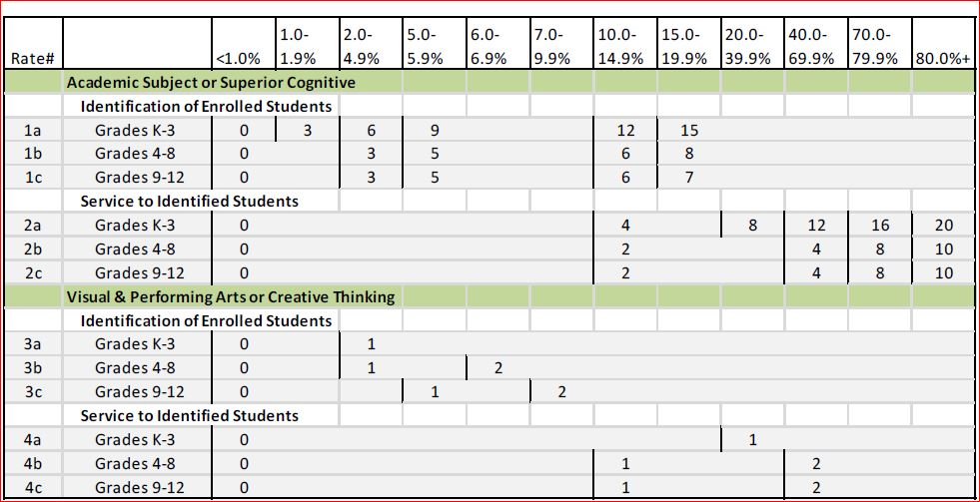

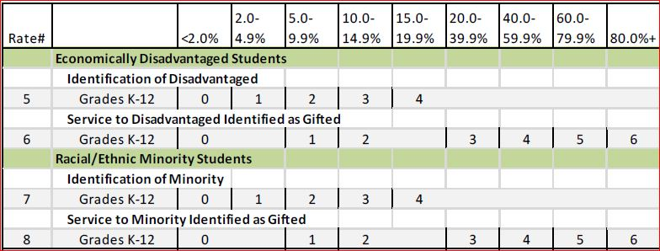

DISTRICT GIFTED INDICATOR POINTS EARNED
DISTRICT : XXXXXXXX Schools
Date: May 2016
Input Rates
Identified Academic/Superior Cog | Percentages
1a | 1% |  | 3
1b | 11% |  | 6
1c | 12% |  | 6
Served Academic/Superior Cog
2a | 106% |  | 20
2b | 35% |  | 2
2c | 80% |  | 10
Identified VPA and Creativity Gifted
3a | 1% |  | 0
3b | 4% |  | 1
3c | 1% |  | 0
Served VPA and Creativity Gifted
4a | 25% |  | 1
4b | 41% |  | 2
4c | 100% |  | 2
Economically Disadvantaged Gifted
5 | 5% |  | 1
Served Economically Disadvantaged Gifted
6 | 45% |  | 4
Identified Minority
7 | 5% |  | 2
Served Minority Gifted
8 | 51% |  | 4
 | Total Input Points |  | 64
2015-16 minimum 60 points. Points needed: | Met
2016-17 minimum 80 points. Points needed: | 16
Action Steps:

